Sheet2
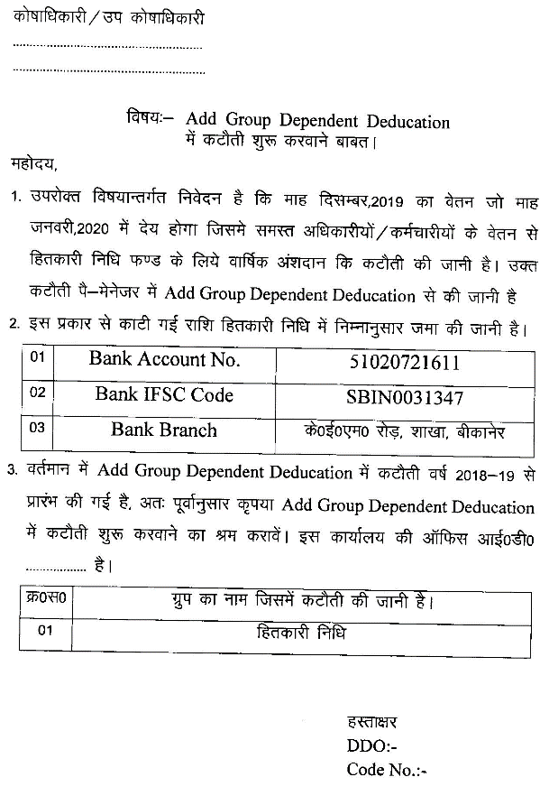
Office of the Principal, Government Higher Secondary School,…................. Tehsil…....................................District-------------------------------------------

